Energy_item
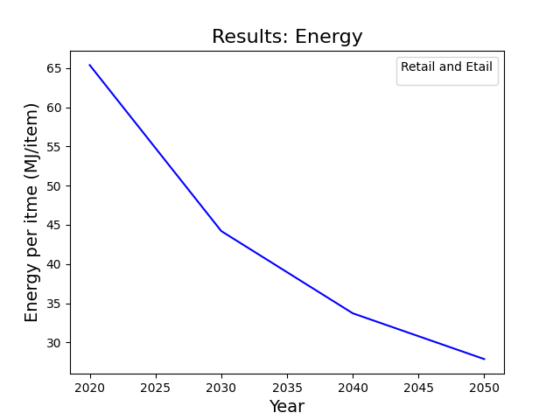
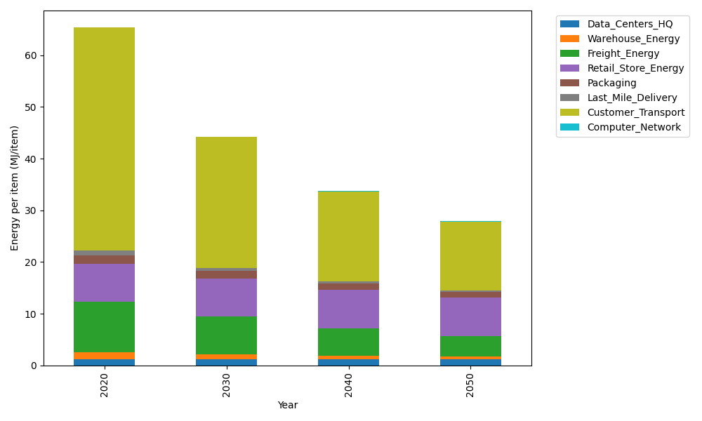
Years | Data_Centers_HQ | Warehouse_Energy | Freight_Energy | Retail_Store_Energy | Packaging | Last_Mile_Delivery | Customer_Transport | Computer_Network | Total
2020 | 1.2374141979 | 1.3410488455 | 9.7425666308 | 7.3100139929 | 1.6916682183 | 0.94972907584 | 43.056185719 | 0.042881298171 | 65.371507978
2030 | 1.2352718172 | 0.84935431858 | 7.3461082015 | 7.4274928124 | 1.4604564316 | 0.51732712892 | 25.337020518 | 0.038322286335 | 44.211353515
2040 | 1.2350053479 | 0.66269158569 | 5.3013889903 | 7.4421048224 | 1.2586847202 | 0.35288906538 | 17.433660798 | 0.037755236657 | 33.724180566
2050 | 1.2351847631 | 0.517354491 | 3.9554747571 | 7.4322664771 | 1.1144532815 | 0.28566898033 | 13.303897197 | 0.038137034271 | 27.882436982

CO2_item
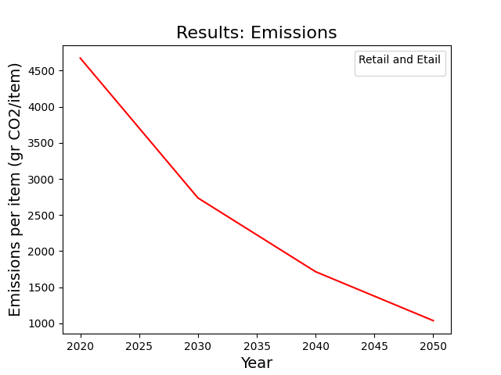
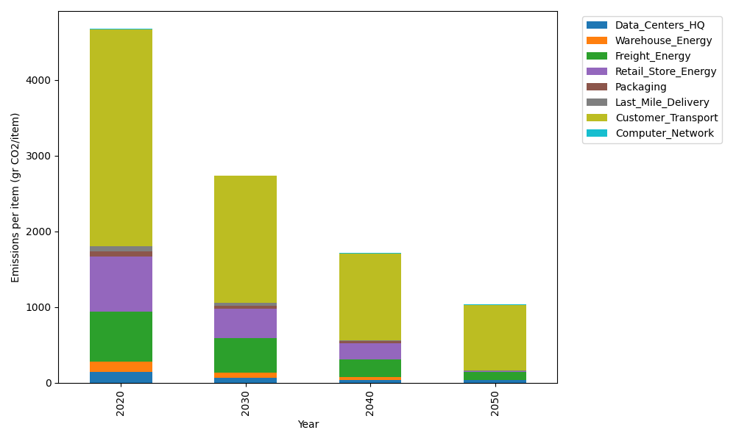
Years | Data_Centers_HQ | Warehouse_Energy | Freight_Energy | Retail_Store_Energy | Packaging | Last_Mile_Delivery | Customer_Transport | Computer_Network | Total
2020 | 140.14711191 | 133.87537195 | 668.00323598 | 728.99305529 | 65.522142061 | 65.192374482 | 2865.1422497 | 7.2330803936 | 4674.1086218
2030 | 64.567658151 | 68.888730324 | 459.16192443 | 385.16850385 | 41.723436199 | 32.670076124 | 1678.0744258 | 6.4640808406 | 2736.7188357
2040 | 31.996237745 | 39.691368968 | 231.70577652 | 222.64975433 | 20.345670452 | 15.866333073 | 1145.8349979 | 6.3684327123 | 1714.4585717
2050 | 31.999603119 | 2.6484311937 | 105.0823687 | 14.823694324 | 0 | 8.0397770722 | 867.42403743 | 6.4328331142 | 1036.450745

